QR Code Generator
QR Code Generator
QR Code Generator is actually a free template provided by Microsoft. In this version is not hidden on a separate sheet

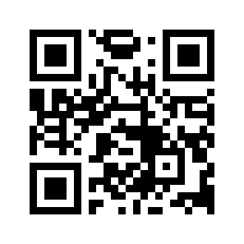
URL | https://www.arrowstream.co.uk
Style | Square
Color Gradient | Solid Fill
Background Color | white
Fill Color 1 | black
Fill Color 2

Python code
Imports | 0
Color Dictionary
Style Dictionary
Color Gradient Dictionary
Color Function | 0
Color Mask Function | 0
QR Code Function | 0
Image

Module (Style) | Style for Code
Square | SquareModuleDrawer
Gapped Square | GappedSquareModuleDrawer
Circle | CircleModuleDrawer
Rounded | RoundedModuleDrawer
Vertical Bars | VerticalBarsDrawer
Horizontal Bars | HorizontalBarsDrawer

Colors
black
blue
gray
green
orange
purple
red
white
yellow

Color (Gradient) | Gradient for Code
Solid Fill | SolidFillColorMask
Radial | RadialGradiantColorMask
Square | SquareGradiantColorMask
Horizontal | HorizontalGradiantColorMask
Vertical | VerticalGradiantColorMask

